Core requirement
Style | Style | Style | Size | Article Description | Article | EAN Code | SOH
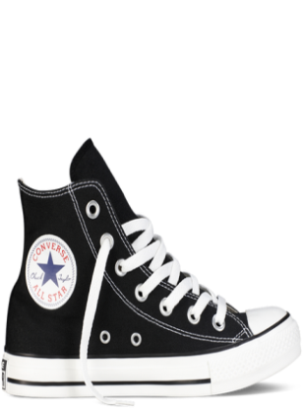 |  | 150756C | 3 | 150756C-CT HI, BLACK, 3 | 830011603001 | 886956524902
 |  | 150756C | 4 | 150756C-CT HI, BLACK, 4 | 830011603002 | 886956524926
 |  | 150756C | 5 | 150756C-CT HI, BLACK, 5 | 830011603003 | 886956524940
 |  | 150756C | 6 | 150756C-CT HI, BLACK, 6 | 830011603004 | 886956524964
 |  | 150756C | 7 | 150756C-CT HI, BLACK, 7 | 830011603005 | 886956524988
 |  | 150756C | 8 | 150756C-CT HI, BLACK, 8 | 830011603006 | 886956525008
 |  | 150756C | 9 | 150756C-CT HI, BLACK, 9 | 830011603007 | 886956525022
 |  | 150756C | 10 | 150756C-CT HI, BLACK, 10 | 830011603008 | 886956525046
 |  | 150756C | 11 | 150756C-CT HI, BLACK, 11 | 830011603009 | 886956525060
Total | 150756C | 150756C
 |  | 150757C | 3 | 150757C-CT HI MONO, BLACK, 3 | 830011591001 | 886956525107
 |  | 150757C | 4 | 150757C-CT HI MONO, BLACK, 4 | 830011591002 | 886956525121
 |  | 150757C | 5 | 150757C-CT HI MONO, BLACK, 5 | 830011591003 | 886956525145
 |  | 150757C | 6 | 150757C-CT HI MONO, BLACK, 6 | 830011591004 | 886956525169
 |  | 150757C | 7 | 150757C-CT HI MONO, BLACK, 7 | 830011591005 | 886956525183
 |  | 150757C | 8 | 150757C-CT HI MONO, BLACK, 8 | 830011591006 | 886956525206
 |  | 150757C | 9 | 150757C-CT HI MONO, BLACK, 9 | 830011591007 | 886956525220
 |  | 150757C | 10 | 150757C-CT HI MONO, BLACK, 10 | 830011591008 | 886956525244
 |  | 150757C | 11 | 150757C-CT HI MONO, BLACK, 11 | 830011591009 | 886956525268
Total | 150757C | 150757C
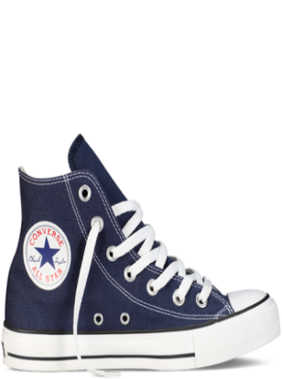 |  | 150759C | 3 | 150759C-CT HI, NAVY, 3 | 830011561001 | 886956525503
 |  | 150759C | 4 | 150759C-CT HI, NAVY, 4 | 830011561002 | 886956525527
 |  | 150759C | 5 | 150759C-CT HI, NAVY, 5 | 830011561003 | 886956525541
 |  | 150759C | 6 | 150759C-CT HI, NAVY, 6 | 830011561004 | 886956525565
 |  | 150759C | 7 | 150759C-CT HI, NAVY, 7 | 830011561005 | 886956525589
 |  | 150759C | 8 | 150759C-CT HI, NAVY, 8 | 830011561006 | 886956525602
 |  | 150759C | 9 | 150759C-CT HI, NAVY, 9 | 830011561007 | 886956525626
 |  | 150759C | 10 | 150759C-CT HI, NAVY, 10 | 830011561008 | 886956525640
 |  | 150759C | 11 | 150759C-CT HI, NAVY, 11 | 830011561009 | 886956525664
Total | 150759C | 150759C
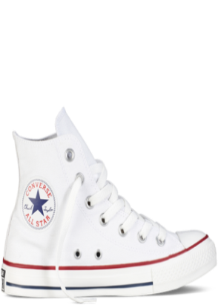 |  | 150760C | 3 | 150760C-CT HI, OPTICAL WHITE, 3 | 830011610001 | 886956525701
 |  | 150760C | 4 | 150760C-CT HI, OPTICAL WHITE, 4 | 830011610002 | 886956525725
 |  | 150760C | 5 | 150760C-CT HI, OPTICAL WHITE, 5 | 830011610003 | 886956525749
 |  | 150760C | 6 | 150760C-CT HI, OPTICAL WHITE, 6 | 830011610004 | 886956525763
 |  | 150760C | 7 | 150760C-CT HI, OPTICAL WHITE, 7 | 830011610005 | 886956525787
 |  | 150760C | 8 | 150760C-CT HI, OPTICAL WHITE, 8 | 830011610006 | 886956525800
 |  | 150760C | 9 | 150760C-CT HI, OPTICAL WHITE, 9 | 830011610007 | 886956525824
 |  | 150760C | 10 | 150760C-CT HI, OPTICAL WHITE, 10 | 830011610008 | 886956525848
 |  | 150760C | 11 | 150760C-CT HI, OPTICAL WHITE, 11 | 830011610009 | 886956525862
Total | 150760C | 150760C
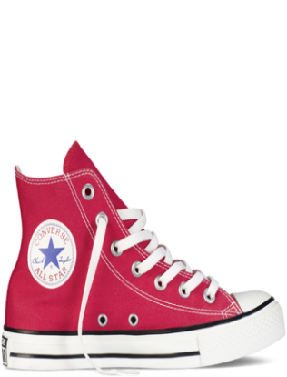 |  | 150762C | 3 | 150762C-CT HI, RED, 3 | 830011579001 | 886956526104
 |  | 150762C | 4 | 150762C-CT HI, RED, 4 | 830011579002 | 886956526128
 |  | 150762C | 5 | 150762C-CT HI, RED, 5 | 830011579003 | 886956526142
 |  | 150762C | 6 | 150762C-CT HI, RED, 6 | 830011579004 | 886956526166
 |  | 150762C | 7 | 150762C-CT HI, RED, 7 | 830011579005 | 886956526180
 |  | 150762C | 8 | 150762C-CT HI, RED, 8 | 830011579006 | 886956526203
 |  | 150762C | 9 | 150762C-CT HI, RED, 9 | 830011579007 | 886956526227
 |  | 150762C | 10 | 150762C-CT HI, RED, 10 | 830011579008 | 886956526241
 |  | 150762C | 11 | 150762C-CT HI, RED, 11 | 830011579009 | 886956526265
Total | 150762C | 150762C
 |  | 150764C | 3 | 150764C-CT OX MONO, BLACK, 3 | 830011489001 | 886956526500
 |  | 150764C | 4 | 150764C-CT OX MONO, BLACK, 4 | 830011489002 | 886956526524
 |  | 150764C | 5 | 150764C-CT OX MONO, BLACK, 5 | 830011489003 | 886956526548
 |  | 150764C | 6 | 150764C-CT OX MONO, BLACK, 6 | 830011489004 | 886956526562
 |  | 150764C | 7 | 150764C-CT OX MONO, BLACK, 7 | 830011489005 | 886956526586
 |  | 150764C | 8 | 150764C-CT OX MONO, BLACK, 8 | 830011489006 | 886956526609
 |  | 150764C | 9 | 150764C-CT OX MONO, BLACK, 9 | 830011489007 | 886956526623
 |  | 150764C | 10 | 150764C-CT OX MONO, BLACK, 10 | 830011489008 | 886956526647
 |  | 150764C | 11 | 150764C-CT OX MONO, BLACK, 11 | 830011489009 | 886956526661
Total | 150764C | 150764C
 |  | 150765C | 3 | 150765C-CT OX, CHARCOAL, 3 | 830011525001 | 886956526708
 |  | 150765C | 4 | 150765C-CT OX, CHARCOAL, 4 | 830011525002 | 886956526722
 |  | 150765C | 5 | 150765C-CT OX, CHARCOAL, 5 | 830011525003 | 886956526746
 |  | 150765C | 6 | 150765C-CT OX, CHARCOAL, 6 | 830011525004 | 886956526760
 |  | 150765C | 7 | 150765C-CT OX, CHARCOAL, 7 | 830011525005 | 886956526784
 |  | 150765C | 8 | 150765C-CT OX, CHARCOAL, 8 | 830011525006 | 886956526807
 |  | 150765C | 9 | 150765C-CT OX, CHARCOAL, 9 | 830011525007 | 886956526821
 |  | 150765C | 10 | 150765C-CT OX, CHARCOAL, 10 | 830011525008 | 886956526845
 |  | 150765C | 11 | 150765C-CT OX, CHARCOAL, 11 | 830011525009 | 886956526869
Total | 150765C | 150765C
 |  | 150767C | 3 | 150767C-CT OX, NAVY, 3 | 830011526001 | 886956527101
 |  | 150767C | 4 | 150767C-CT OX, NAVY, 4 | 830011526002 | 886956527125
 |  | 150767C | 5 | 150767C-CT OX, NAVY, 5 | 830011526003 | 886956527149
 |  | 150767C | 6 | 150767C-CT OX, NAVY, 6 | 830011526004 | 886956527163
 |  | 150767C | 7 | 150767C-CT OX, NAVY, 7 | 830011526005 | 886956527187
 |  | 150767C | 8 | 150767C-CT OX, NAVY, 8 | 830011526006 | 886956527200
 |  | 150767C | 9 | 150767C-CT OX, NAVY, 9 | 830011526007 | 886956527224
 |  | 150767C | 10 | 150767C-CT OX, NAVY, 10 | 830011526008 | 886956527248
 |  | 150767C | 11 | 150767C-CT OX, NAVY, 11 | 830011526009 | 886956527262
Total | 150767C | 150767C
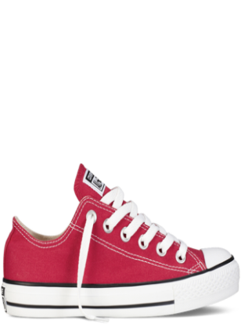 |  | 150770C | 3 | 150770C-CT OX, RED, 3 | 830011546001 | 886956527705
 |  | 150770C | 4 | 150770C-CT OX, RED, 4 | 830011546002 | 886956527729
 |  | 150770C | 5 | 150770C-CT OX, RED, 5 | 830011546003 | 886956527743
 |  | 150770C | 6 | 150770C-CT OX, RED, 6 | 830011546004 | 886956527767
 |  | 150770C | 7 | 150770C-CT OX, RED, 7 | 830011546005 | 886956527781
 |  | 150770C | 8 | 150770C-CT OX, RED, 8 | 830011546006 | 886956527804
 |  | 150770C | 9 | 150770C-CT OX, RED, 9 | 830011546007 | 886956527828
 |  | 150770C | 10 | 150770C-CT OX, RED, 10 | 830011546008 | 886956527842
 |  | 150770C | 11 | 150770C-CT OX, RED, 11 | 830011546009 | 886956527866
Total | 150770C | 150770C
Total

